Script
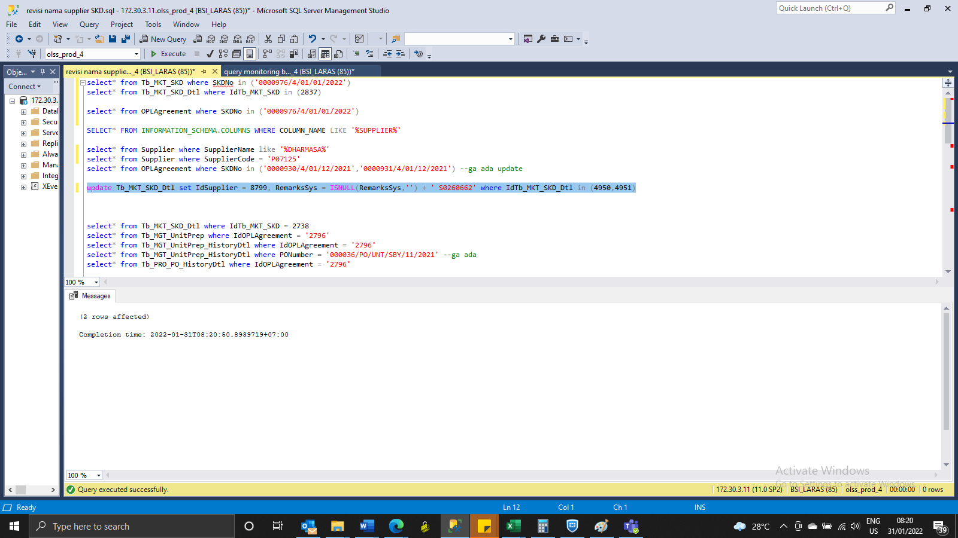
update Tb_MKT_SKD_Dtl set IdSupplier = 8799, RemarksSys = ISNULL(RemarksSys,'') + ' S0260662' where IdTb_MKT_SKD_Dtl in (4950,4951)

Screenshot
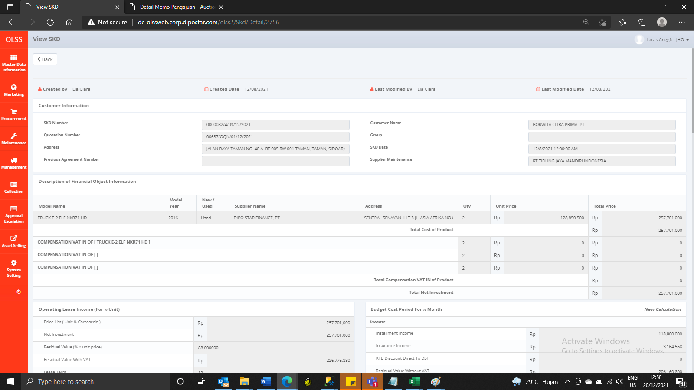
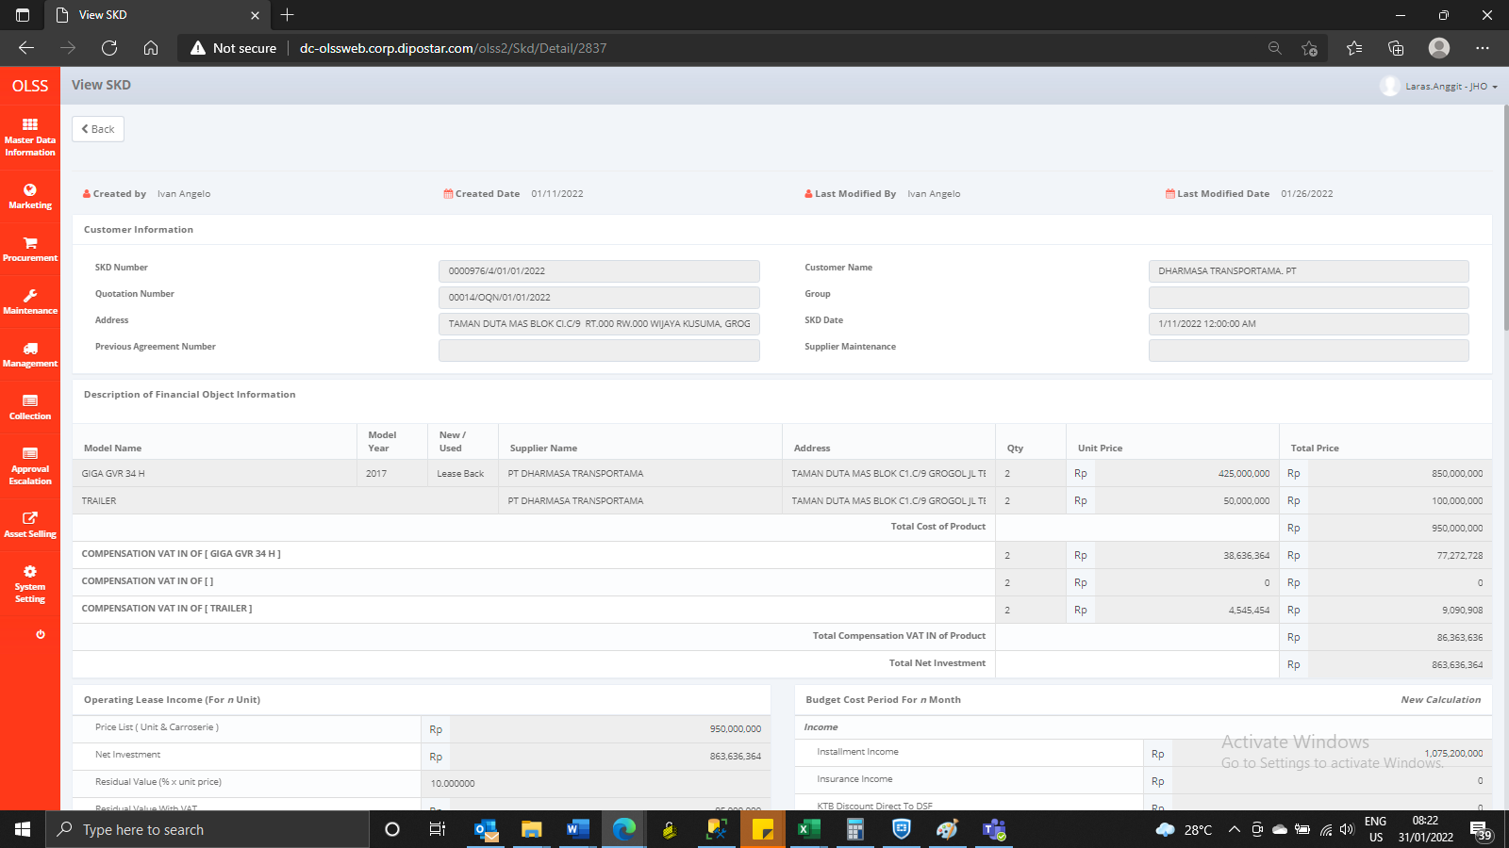
BEFORE
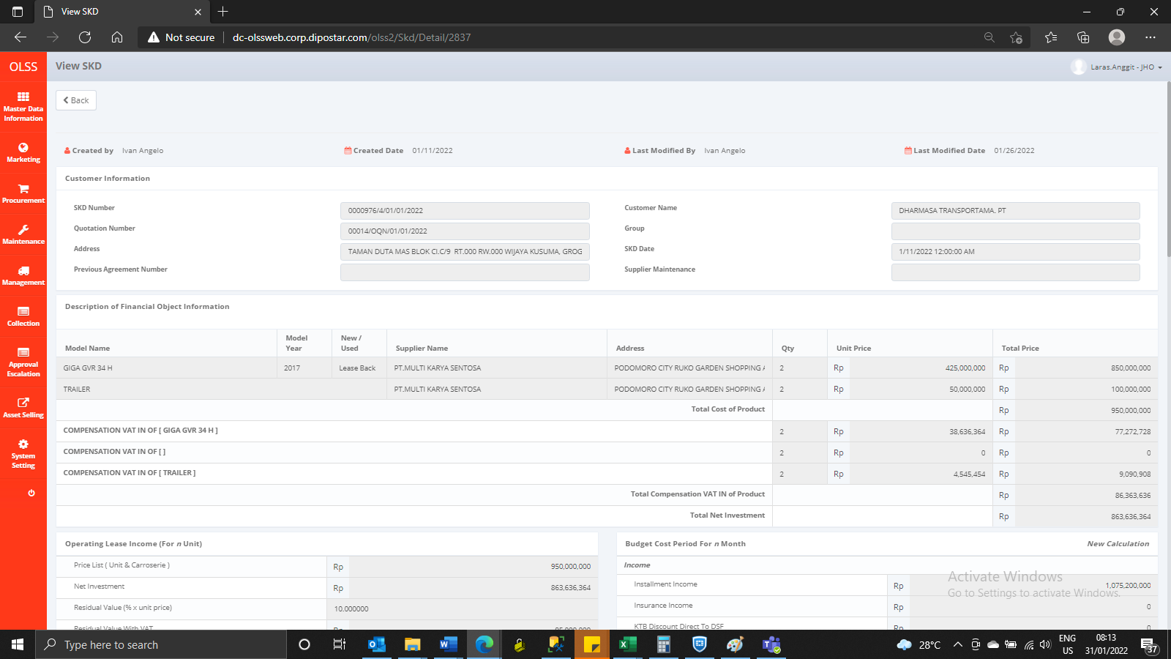
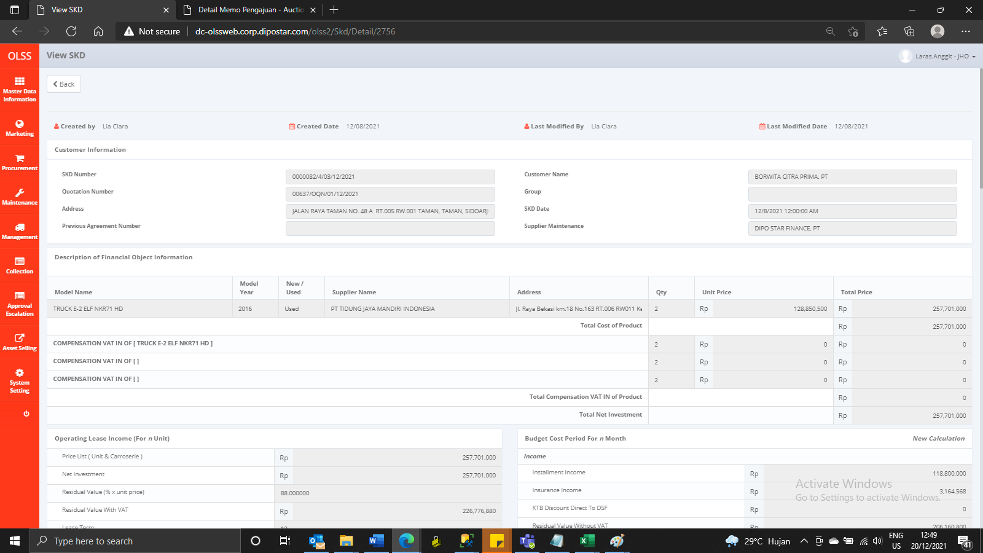

AFTER

